Results
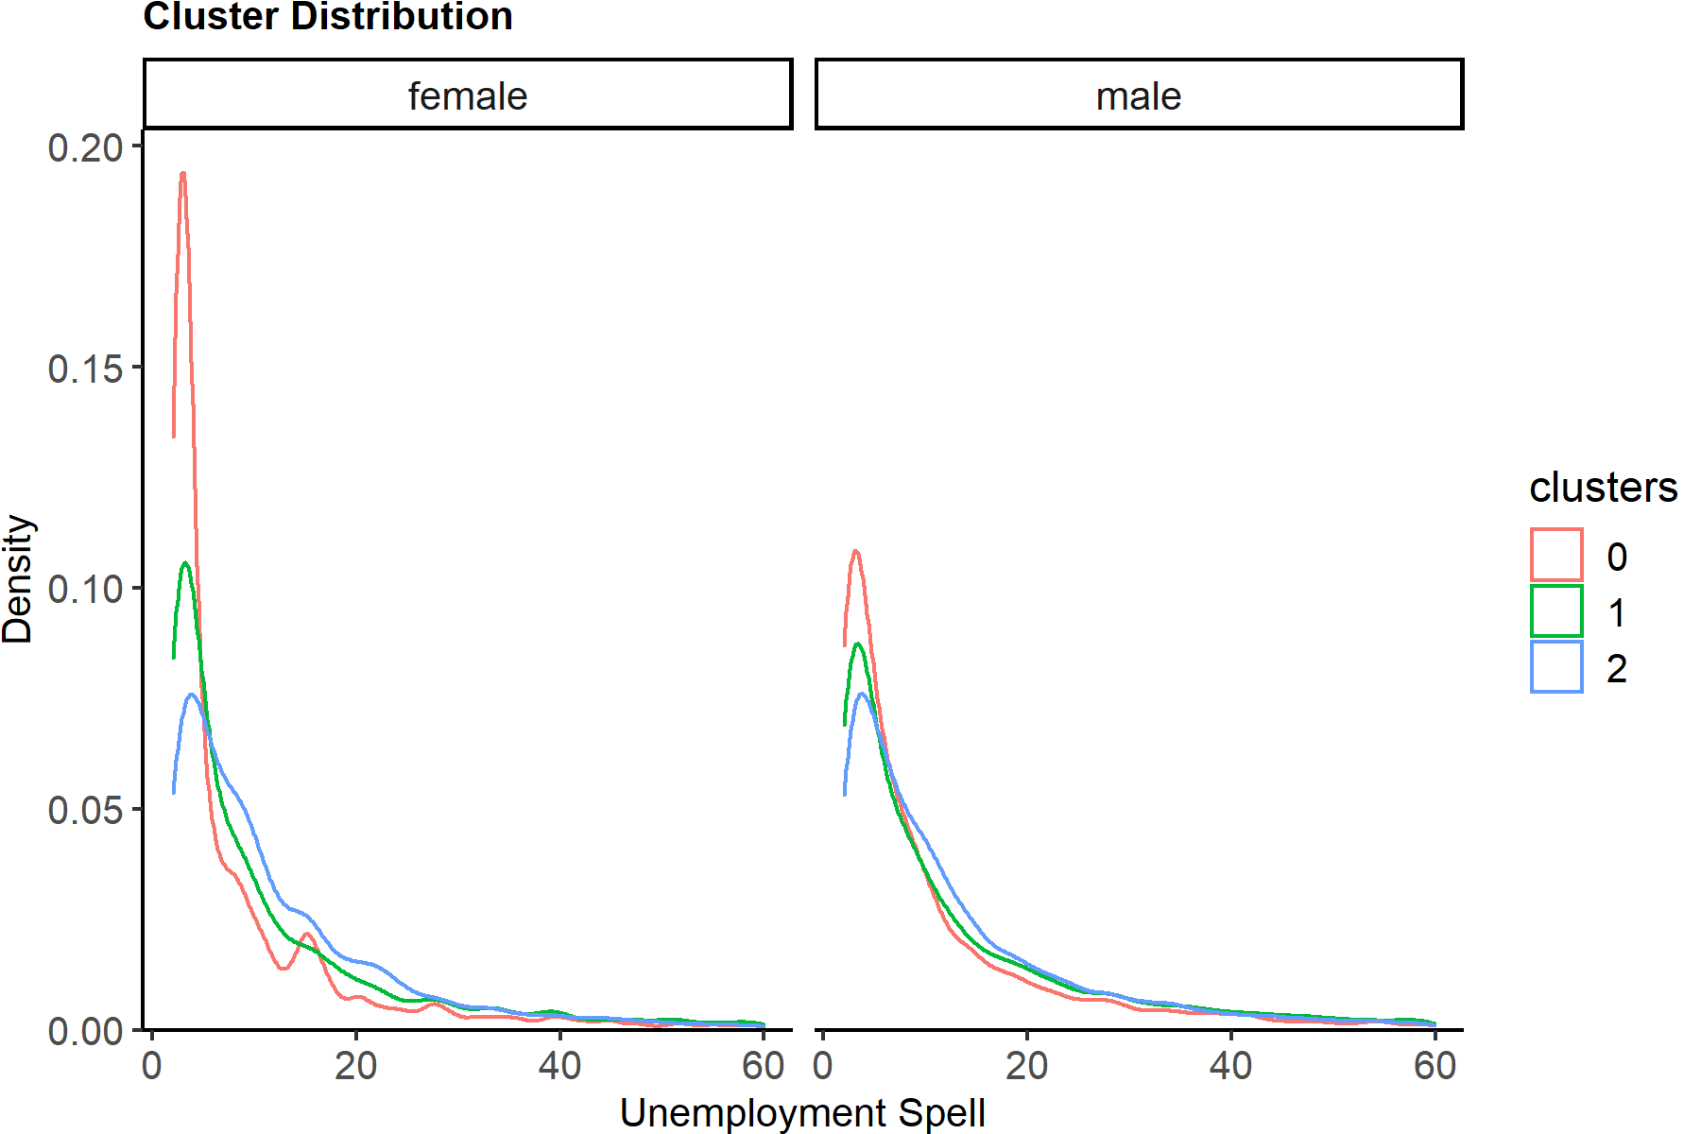
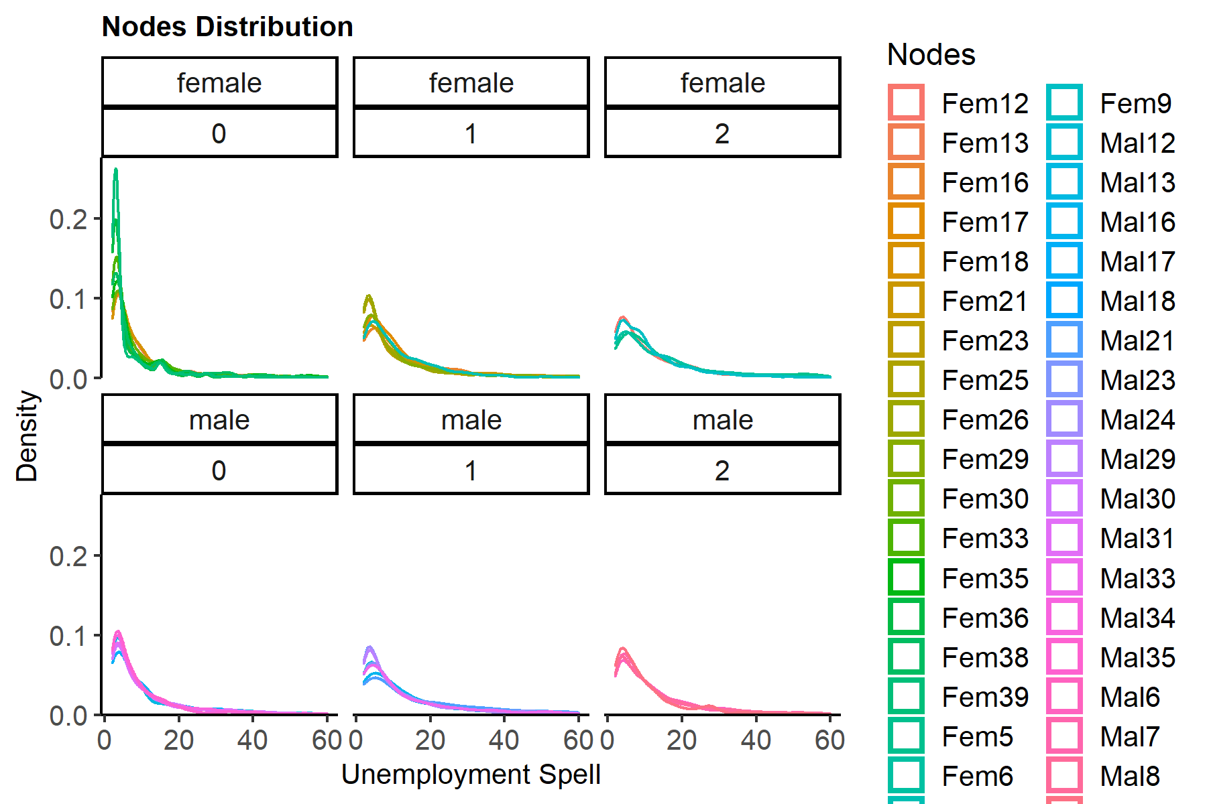

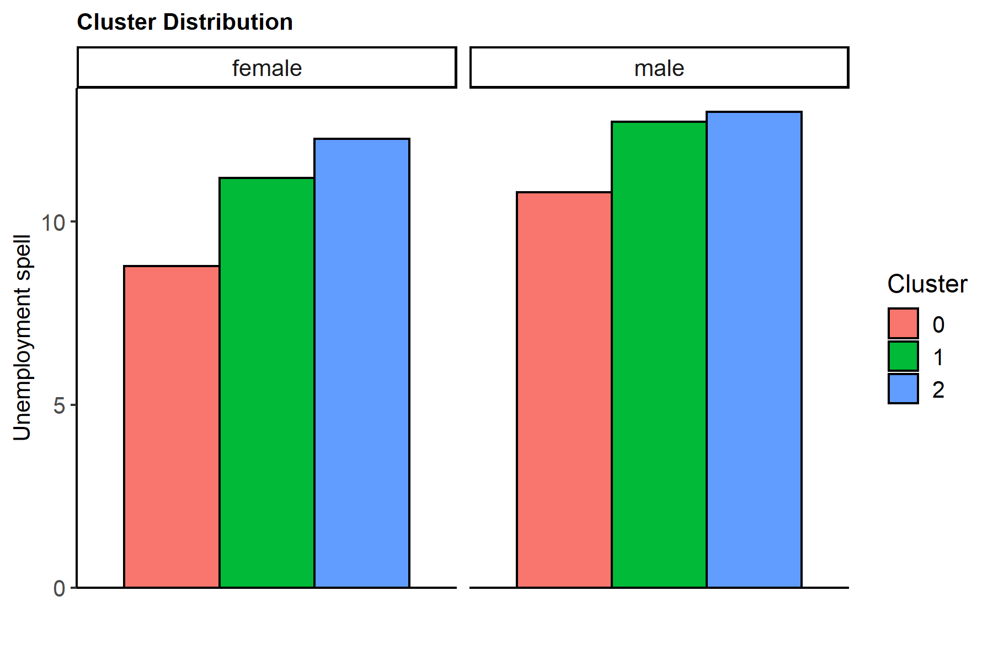
clusters | female | male
0 | 8.7943119047 | 10.803304023
1 | 11.200506456 | 12.732297141
2 | 12.26301303 | 13.004204247

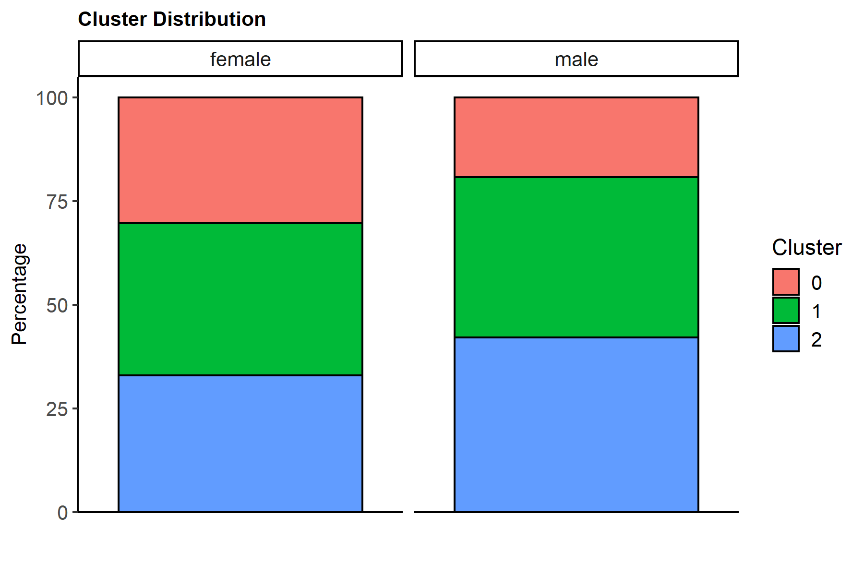
clusters | female | male
0 | 4951 | 6598
1 | 6004 | 13318
2 | 5380 | 14460

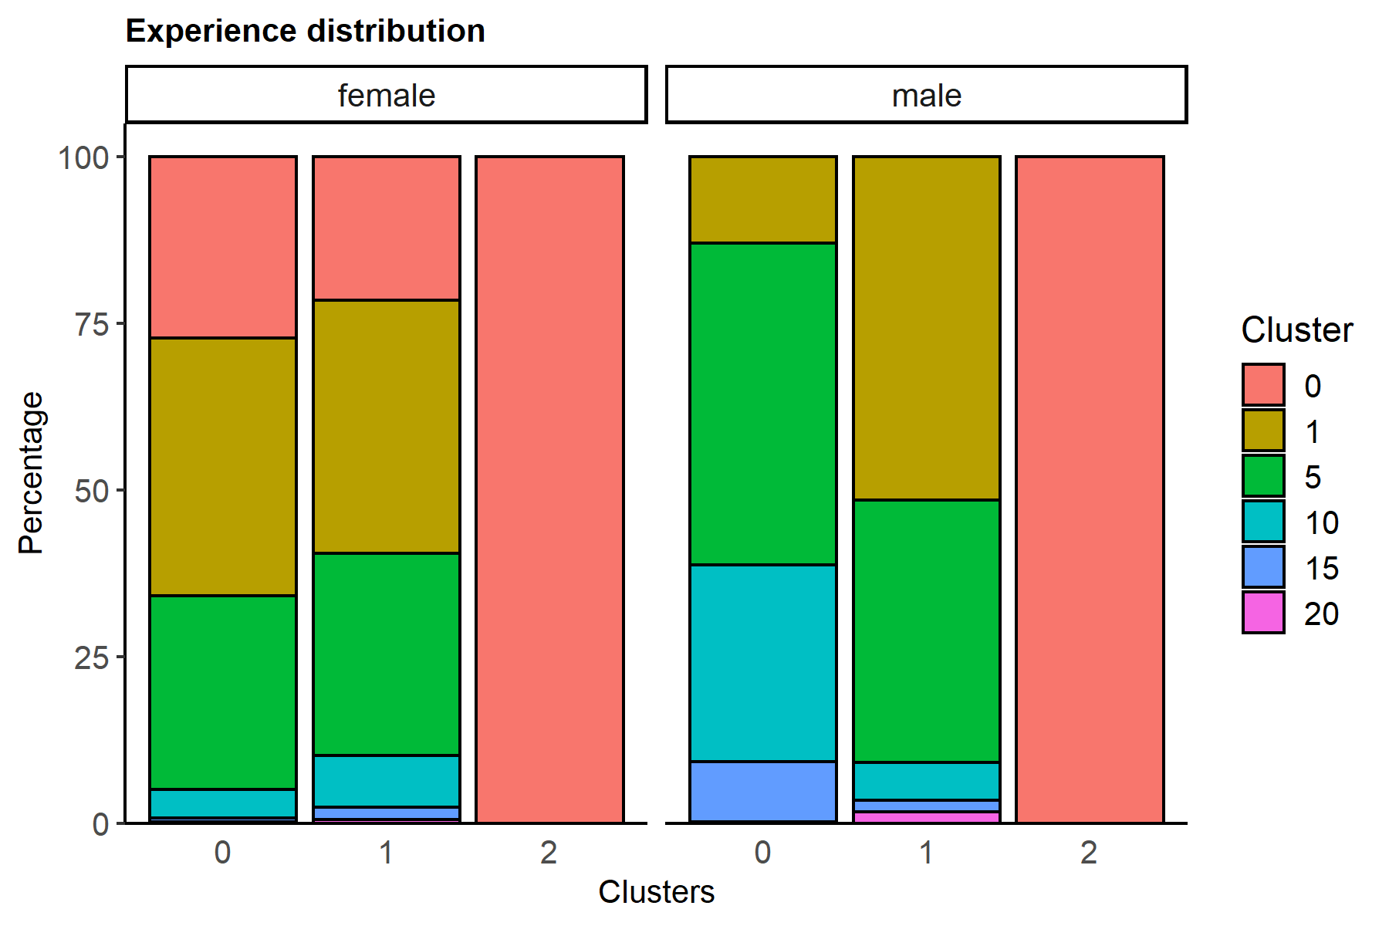
clusters | gender | 0 | 1 | 5 | 10 | 15 | 20
0 | female | 27.166229045 | 38.719450616 | 29.004241567 | 4.3425570592 | 0.58574025449 | 0.18178145829
0 | male |  | 13.003940588 | 48.241891482 | 29.508942104 | 9.0330403152 | 0.21218551076
1 | female | 21.602265157 | 37.908061292 | 30.363091272 | 7.7115256496 | 1.8321119254 | 0.58294470353
1 | male |  | 51.479201081 | 39.427842018 | 5.6765280072 | 1.6969514942 | 1.719477399
2 | female | 100
2 | male | 100

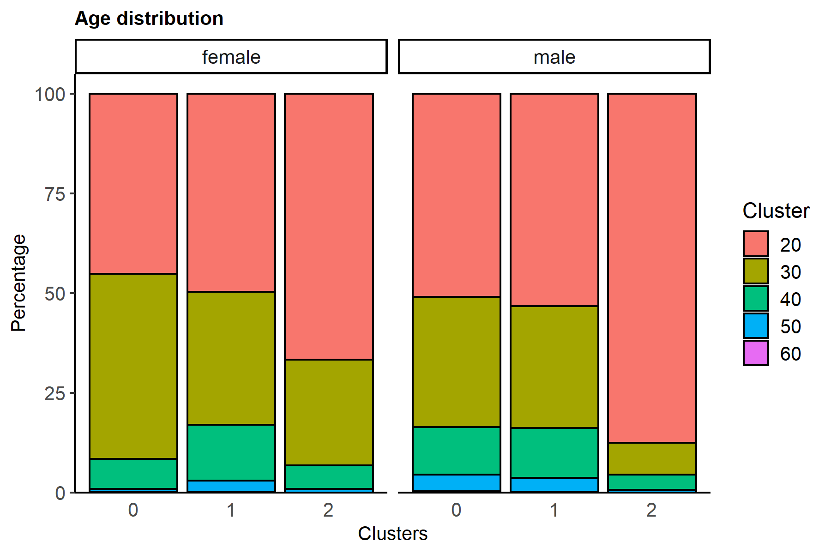
clusters | gender | 20 | 30 | 40 | 50 | 60
0 | female | 45.142395476 | 46.414865684 | 7.4934356696 | 0.90890729146 | 0.04039587962
0 | male | 50.954834798 | 32.691724765 | 11.836920279 | 4.1982418915 | 0.31827826614
1 | female | 49.666888741 | 33.361092605 | 14.007328448 | 2.9313790806 | 0.033311125916
1 | male | 53.311308004 | 30.537618261 | 12.426790809 | 3.4764979727 | 0.2477849527
2 | female | 66.728624535 | 26.524163569 | 5.8550185874 | 0.89219330855
2 | male | 87.572614108 | 7.9598893499 | 3.7621023513 | 0.6846473029 | 0.020746887967

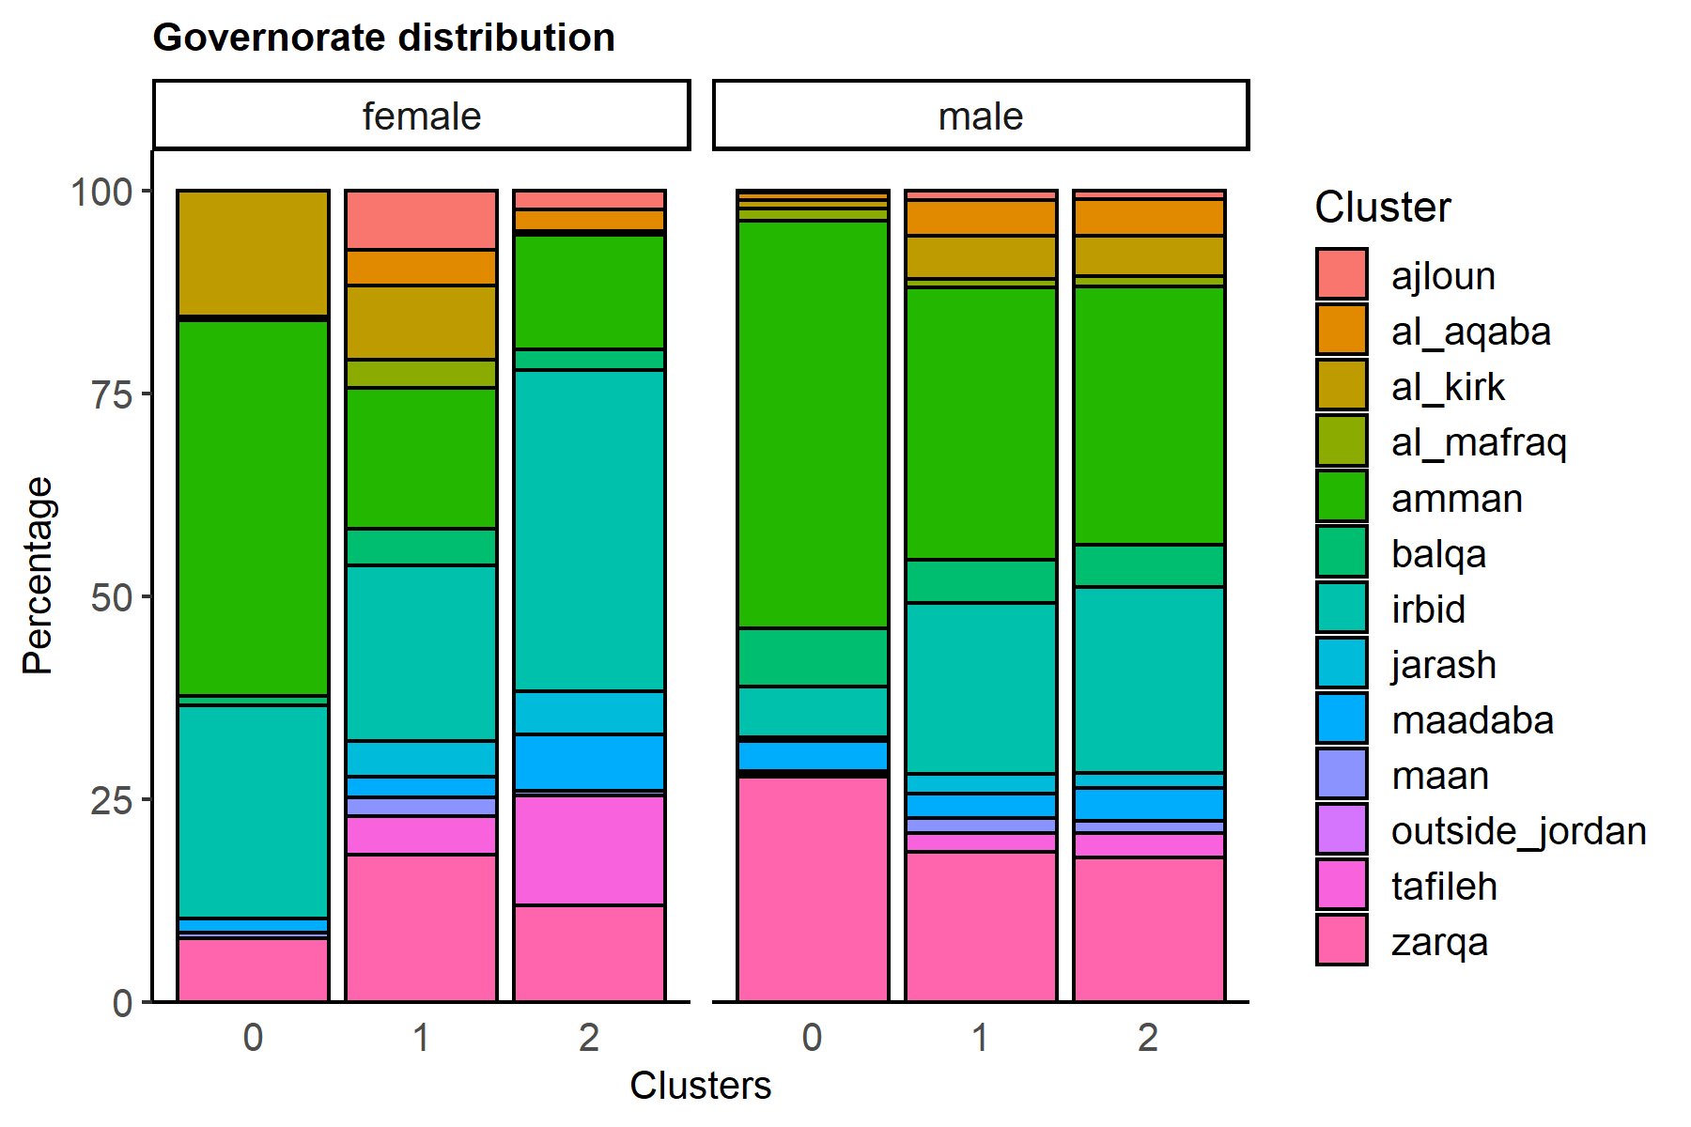
clusters | gender | ajloun | al_aqaba | al_kirk | al_mafraq | amman | balqa | irbid | jarash | maadaba | maan | outside_jordan | tafileh | zarqa
0 | female |  |  | 15.552413654 | 0.46455261563 | 46.273480105 | 1.1108866896 | 26.358311452 |  | 1.7168248839 | 0.72712583317 |  |  | 7.7964047667
0 | male | 0.22734161867 | 0.90936647469 | 1.0457714459 | 1.5307668991 | 50.212185511 | 7.1688390421 | 6.2746286754 | 0.45468323734 | 3.6829342225 | 0.36374658988 | 0.015156107911 | 0.33343437405 | 27.781145802
1 | female | 7.3617588274 | 4.347101932 | 9.127248501 | 3.4643570953 | 17.438374417 | 4.4137241839 | 21.685542971 | 4.380413058 | 2.5316455696 | 2.3484343771 |  | 4.7135243171 | 18.18787475
1 | male | 1.1638384142 | 4.4451118787 | 5.3161135306 | 0.98363117585 | 33.631175852 | 5.3161135306 | 21.076738249 | 2.4177804475 | 2.9508935276 | 1.8771587325 | 0.022525904791 | 2.260099114 | 18.538819643
2 | female | 2.3048327138 | 2.7137546468 |  | 0.39033457249 | 14.126394052 | 2.5650557621 | 39.591078067 | 5.3159851301 | 7.0260223048 | 0.52044609665 |  | 13.531598513 | 11.914498141
2 | male | 1.0373443983 | 4.5504840941 | 4.9239280775 | 1.265560166 | 31.922544952 | 5.1867219917 | 22.946058091 | 1.8533886584 | 4.0387275242 | 1.4453665284 |  | 3.0152143845 | 17.814661134

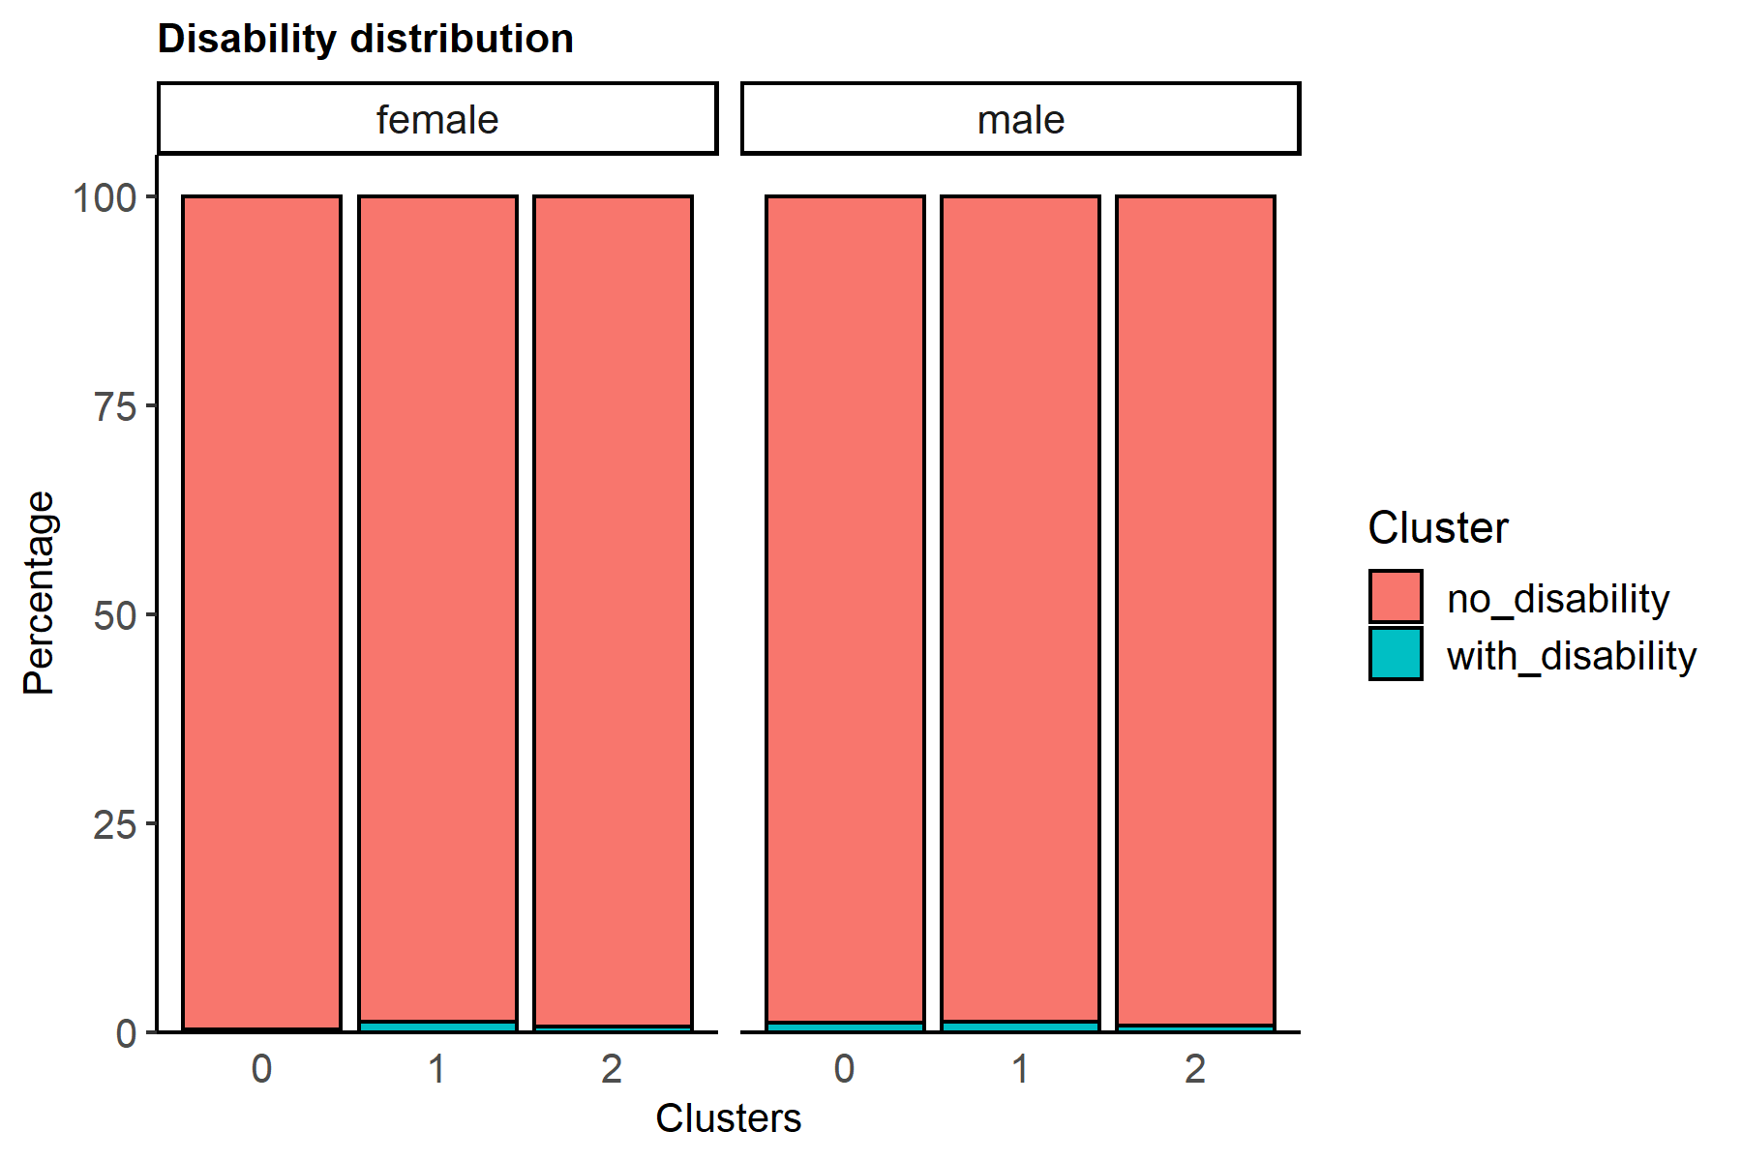
clusters | gender | no_disability | with_disability
0 | female | 99.697030903 | 0.30296909715
0 | male | 98.90876023 | 1.0912397696
1 | female | 98.750832778 | 1.2491672219
1 | male | 98.791109776 | 1.2088902238
2 | female | 99.312267658 | 0.68773234201
2 | male | 99.218533887 | 0.78146611342

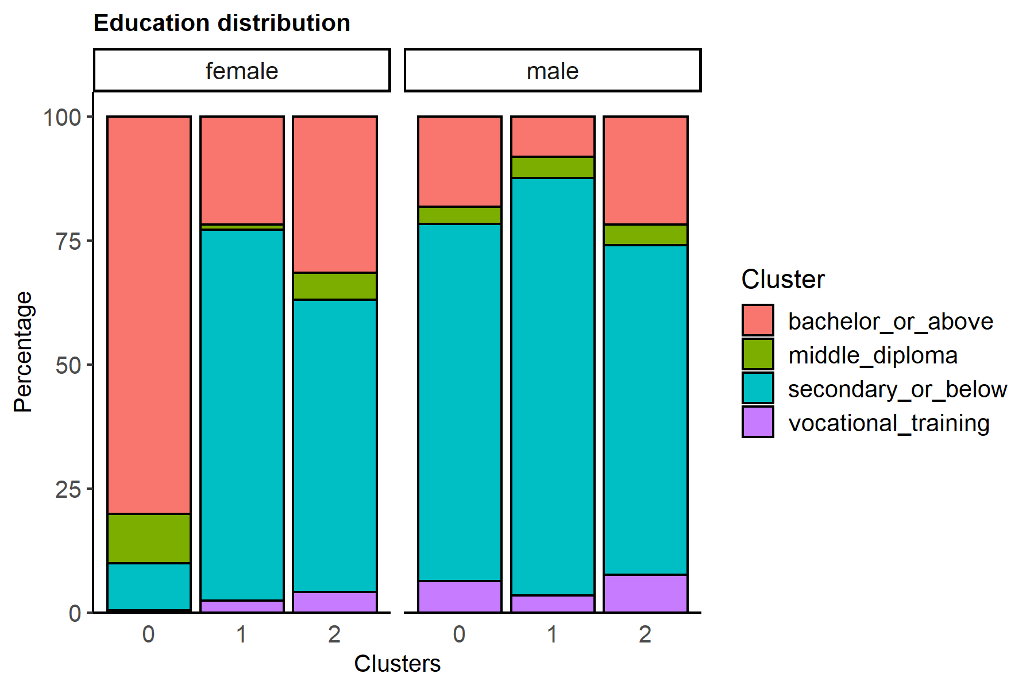
clusters | gender | bachelor_or_above | middle_diploma | secondary_or_below | vocational_training
0 | female | 80.145425167 | 9.8767925672 | 9.4930317108 | 0.48475055544
0 | male | 18.157017278 | 3.4859048196 | 72.067293119 | 6.2897847833
1 | female | 21.785476349 | 1.0659560293 | 74.750166556 | 2.398401066
1 | male | 8.1393602643 | 4.2198528308 | 84.239375282 | 3.4014116234
2 | female | 31.505576208 | 5.4460966543 | 58.959107807 | 4.0892193309
2 | male | 21.811894882 | 4.1009681881 | 66.493775934 | 7.5933609959

